Sheet1
 |  |  |  |  |  |  |  |  |  |  |  |  |  |  |  |  | UHF
 |  |  |  | RDR POINT |  |  |  |  |  |  |  | Trigger2 |  |  | ICP Buttons | F1-F7 |  | Takeoff
 |  |  |  |  |  |  |  |  |  |  |  | Trigger1 |  |  | DRIFT C/O | F8 | 3 | Tower | Ready for departure | T(2)1
 |  |  |  |  |  |  |  |  |  |  |  |  |  |  | DRIFT C/O WARN RESET | F9 | 4 | Departure | Report Airborne | T(5)1
 |  |  |  |  |  |  |  |  |  |  |  |  |  |  | FLCS RESET | F10
 |  |  |  |  |  |  |  |  | Pickle |  |  |  | Msl Step |  | Steerpoints | <, > |  | Landing
Anetnna elevation | mod A | mod B | brakes | Cursor Enable | FOV |  |  |  |  |  |  |  | Paddle Switch |  | HSI HDG Knob | Ins, Del | 7 | Approach | Request Unrestricted Landing | T(3)6
 |  |  |  | Cursor Zero |  |  |  |  |  |  |  |  | Brakes (wheels) |  | HSI CRS Knob | Home, End | 8 | Tower | Inbound for Landing | T(2)2
 |  |  |  |  |  |  |  |  |  |  |  |  | Trim Reset |  | Pressure Knob | PgUp, PgDn | 8 | Tower | Report on final | T(2)4
 |  |  |  |  |  |  | Look |  |  |  | TMS |  |  |  | INSTR MODE Cycle | \
 |  |  |  |  |  |  | Comms |  |  |  | CMS |  |  |  | CMDS PRGM Knob | [ ,] |  | Other
 |  |  |  |  |  |  |  |  |  |  | DMS |  |  |  | CMDS MODE Knob | ;, ' | 6 | AWACS | Vector to nearest threat | CSA1
 |  |  |  |  |  | Satellite |  |  |  |  | Trim |  |  |  | Jettison Emerg. | Ctrl + J | 6 | AWACS | Request Picture | CSA2
 |  |  |  |  |  | - |  |  |  |  |  |  |  |  | Center antenna elev. | F11 | 6 | AWACS | Declare | CSA3
 |  |  |  |  |  | Padlock
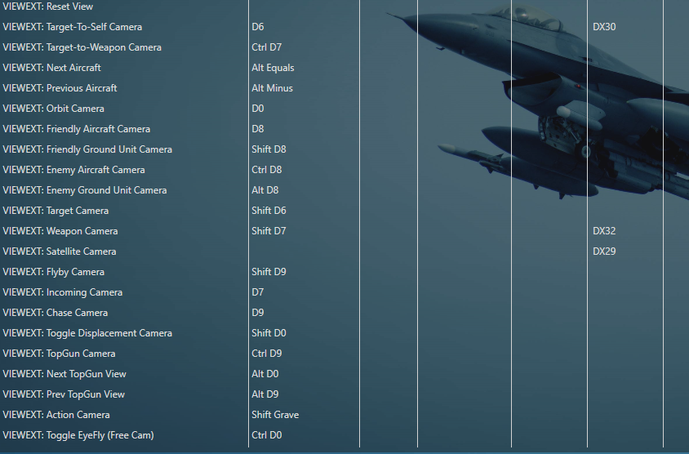
 |  |  |  |  | EFOV |  | 3D Cockpit |  |  |  | Slap Switch
 |  |  |  |  | - |  | -
 |  |  |  |  | My weap | Zoom | Enemy | Radar↑ | HSD↑ | Sim x4 |  | RF Switch | Change Vel. | Gear
 |  |  |  |  |  | Radar/Kneeboard |  | AP Roll↑ | AP Pitch↑ | Pilot Model |  | Radar Freeze | Change Alt. | Alt. Gear
 |  |  |  |  |  |  |  |  |  | Gauges |  | Radar Snowplow

 |  |  |  |  |  | AA Radar step |  | Radar↓ | HSD↓ | Pitch Override |  | HUD Color | HUD Scales | CAT
 |  |  |  |  |  | Uncage |  | AP Roll↓ | AP Pitch↓ | Master Arm |  |  | HUD FPM

 |  |  |  |  | MRM |  | DGFT
 |  |  |  |  | Bar scan |  | Az scan

 |  |  |  |  |  | Cancel Override
 |  |  |  |  |  | AG Radar step
 |  |  |  |  |  | AG Next Weapon
 |  |  |  |  |  |  |  |  |  |  | Range knob
 |  |  |  |  |  |  |  |  |  |  | FOV
 |  |  |  |  |  |  |  |  |  |  | Distance

 |  |  |  |  |  | Pinky (Shift)
 |  |  |  |  |  | Nightvision
 |  |  |  |  |  | Sunglasses

